Guide
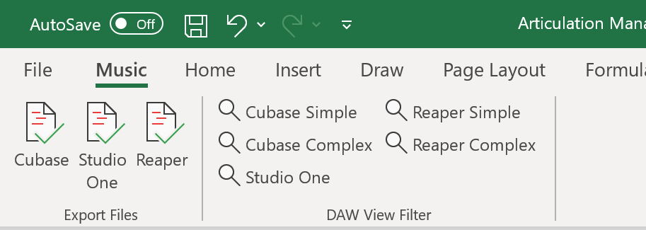
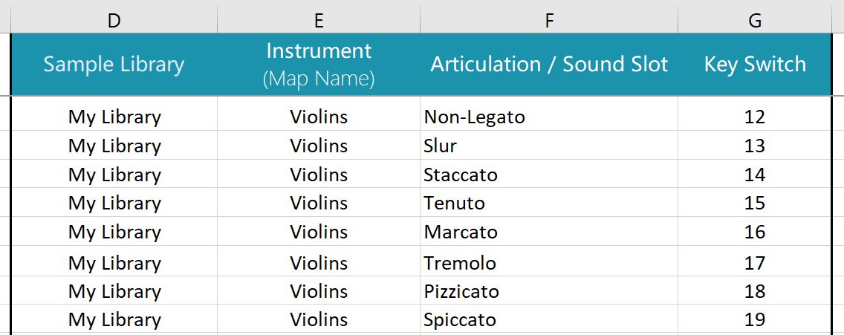
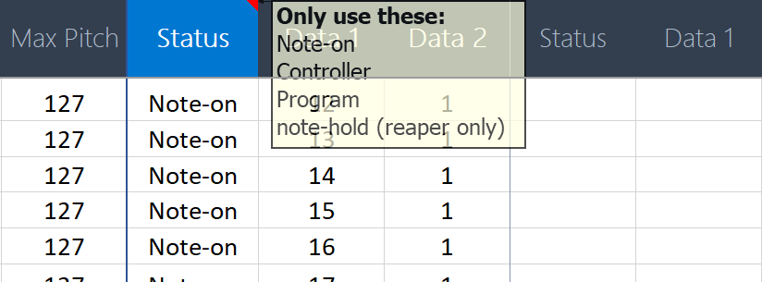
Basics | More Features
Add your articulations. These 4 fields are required. | For CC or Program Changes, use the Status column
 | (There are 3 status fields for up to 3 combinations of Keyswitch or CC change)

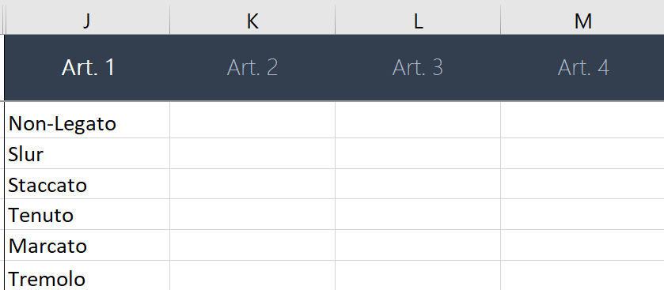
 | Reaper & Cubase both allow 4 groups
Find the Music tab in the Ribbon | (For reaper, the column you use will set the group # for the articulation)
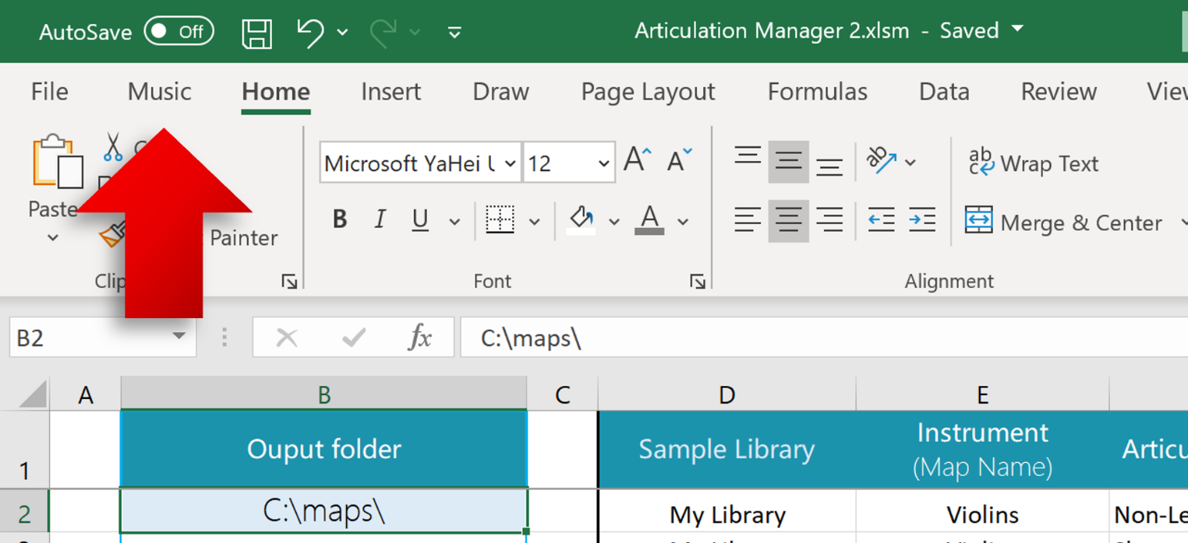

 | All Articulations export as a "direction", unless you say otherwise
 | (Per this example, all Cubase maps with sfz will use the attribute feature)
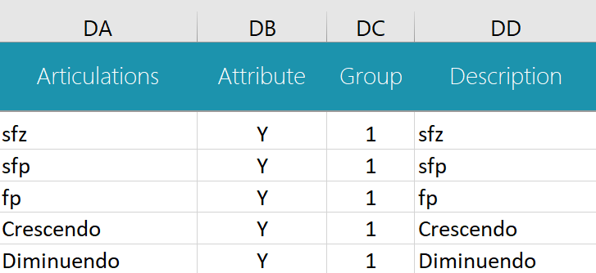

Export your articulation maps or choose a view filter to edit more articulation features first

